diesel
Immagini | Articolo | Descrizione | XS | S | M | L | XL | XXL | XXS | Totale | WHLSE | RETAIL
 | 00S02X0091B100 | T-DIEGO-QA MAGLIETTA - BRIGHT WHITE | 2 | 41 | 83 | 586 | 81 | 29 |  | 822 | € 20.00 | € 50.00
 | 00S02X0091B60P | T-DIEGO-QA MAGLIETTA - DEEP BLUE |  | 26 | 28 | 19 | 8 | 1 |  | 82 | € 20.00 | € 50.00
 | 00S02X0091B8CR | T-DIEGO-QA MAGLIETTA - SURF THE WEB |  | 26 | 28 | 19 | 8 | 1 |  | 82 | € 20.00 | € 50.00
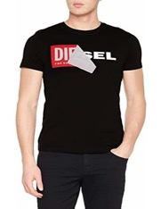 | 00S02X0091B900 | T-DIEGO-QA MAGLIETTA - BLACK | 2 | 39 | 74 | 601 | 85 | 30 |  | 831 | € 20.00 | € 50.00
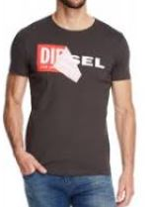 | 00S02X0091B93R | T-DIEGO-QA MAGLIETTA - GREY |  | 11 | 49 | 47 | 22 | 0 |  | 129 | € 20.00 | € 50.00
 | 00SD920091B100 | T-JUST-SV MAGLIETTA - BRIGHT WHITE |  | 21 | 30 | 32 | 22 | 7 | 1 | 113 | € 20.00 | € 50.00
 | 00SD920091B41U | T-JUST-SV MAGLIETTA - TANGO RED |  | 13 | 22 | 20 | 15 | 4 | 1 | 75 | € 20.00 | € 50.00
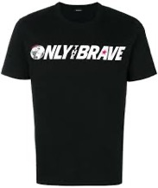 | 00SD920091B900 | T-JUST-SV MAGLIETTA - BLACK |  | 23 | 24 | 23 | 17 | 0 | 3 | 90 | € 20.00 | € 50.00
 | 00SKL4RCZJA100 | T-JUSTSILY-Y17-FL - BRIGHT WHITE | 29 | 49 | 48 | 10 | 0 |  | 0 | 136 | € 20.00 | € 50.00
 | 00SKL4RCZJA9XX | T-JUSTSILY-Y17-FL - BLACK BLACK BLACK | 48 | 70 | 72 | 26 | 11 |  | 15 | 242 | € 20.00 | € 50.00
 | 00SKL7R0CZJ100 | T-JACKY-SILY - BRIGHT WHITE | 50 | 72 | 73 | 73 | 24 |  | 13 | 305 | € 20.00 | € 50.00
 | 00SKL7R0CZJ912 | T-JACKY-SILY - LIGHT GREY MELANGE | 49 | 69 | 67 | 30 | 16 |  | 17 | 248 | € 20.00 | € 50.00
 | 00SL2T0RCZJ41N | T-SULLY-AH-B MAGLIETTA - HIBISCUS | 30 | 42 | 44 | 11 | 5 |  | 7 | 139 | € 20.00 | € 50.00
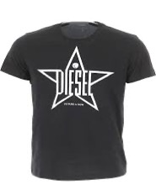 | 00SNRE0091A81E | T-DIEGO-YH MAGLIETTA - TOTAL ECLIPSE | 1 | 15 | 46 | 24 | 32 | 4 |  | 122 | € 20.00 | € 50.00
 | 00SNRE0091A900 | T-DIEGO-YH MAGLIETTA - BLACK | 0 | 1 | 20 | 15 | 12 | 0 |  | 48 | € 20.00 | € 50.00
 | 00SPBA0CZJA100 | T-SILY-ZA MAGLIETTA - BRIGHT WHITE | 13 | 19 | 10 | 2 |  |  |  | 44 | € 20.00 | € 50.00
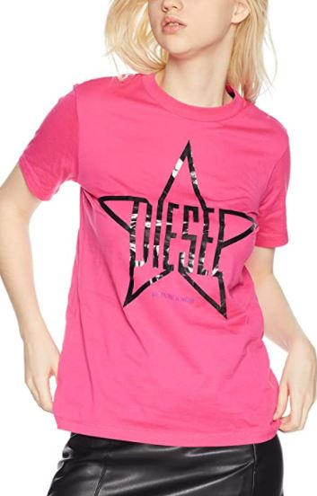 | 00SPBA0CZJA44G | T-SILY-ZA MAGLIETTA - SASSAFRAS | 13 | 14 | 1 |  |  |  |  | 28 | € 20.00 | € 50.00
 | 00SPBA0CZJA9XX | T-SILY-ZA MAGLIETTA - BLACK BLACK BLACK | 16 | 14 | 5 |  |  |  |  | 35 | € 20.00 | € 50.00
 | 00SQ4ERHARE100 | T-DIEGO-2BX2 MAGLIETTA - BRIGHT WHITE |  | 30 | 49 | 51 | 36 | 13 |  | 179 | € 20.00 | € 50.00
 | 00SQ4ERHARE900 | T-DIEGO-2BX2 MAGLIETTA - BLACK |  | 27 | 44 | 45 | 32 | 11 |  | 159 | € 20.00 | € 50.00
 | 00SQXC0091B100 | T-DIEGO-FO MAGLIETTA - BRIGHT WHITE |  | 9 | 14 | 15 | 5 | 0 |  | 43 | € 20.00 | € 50.00
 | 00SQXC0091B41U | T-DIEGO-FO MAGLIETTA - TANGO RED |  | 0 | 37 | 32 | 15 | 11 | 4 | 99 | € 20.00 | € 50.00
 | 00SQXC0091B900 | T-DIEGO-FO MAGLIETTA - BLACK |  | 2 | 1 |  |  |  |  | 3 | € 20.00 | € 50.00
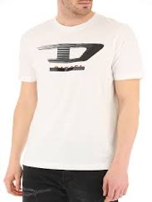 | 00SSPQ0091A100 | T-JUST-Y4 MAGLIETTA - BRIGHT WHITE | 0 | 2 | 24 | 28 | 9 | 0 |  | 63 | € 20.00 | € 50.00
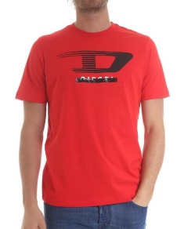 | 00SSPQ0091A42A | T-JUST-Y4 MAGLIETTA - RACING RED |  | 14 | 27 | 30 | 21 | 6 |  | 98 | € 20.00 | € 50.00
 | 00STXQR091B100 | T-DIEGO-BROK MAGLIETTA - BRIGHT WHITE |  | 17 | 37 | 39 | 18 | 0 |  | 111 | € 20.00 | € 50.00
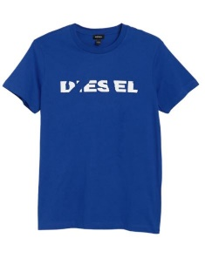 | 00STXQR091B8CR | T-DIEGO-BROK MAGLIETTA - SURF THE WEB |  | 5 | 18 | 19 | 6 | 0 |  | 48 | € 20.00 | € 50.00
 | 00STXQR091B900 | T-DIEGO-BROK MAGLIETTA - BLACK |  | 4 | 13 | 13 | 4 | 0 |  | 34 | € 20.00 | € 50.00
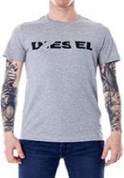 | 00STXQR091B912 | T-DIEGO-BROK MAGLIETTA - LIGHT GREY MELANGE |  | 23 | 38 | 35 | 24 | 6 |  | 126 | € 20.00 | € 50.00
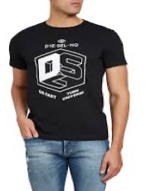 | 00SW7X0091A900 | T-DIEGO-A3 MAGLIETTA - BLACK |  | 11 | 16 | 19 | 9 | 3 |  | 58 | € 20.00 | € 50.00
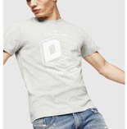 | 00SW7X0091A912 | T-DIEGO-A3 MAGLIETTA - LIGHT GREY MELANGE |  | 11 | 17 | 18 | 10 | 2 |  | 58 | € 20.00 | € 50.00
 | 00SW9T0CATM100 | T-DIEGO-A7 MAGLIETTA - BRIGHT WHITE |  | 30 | 40 | 36 | 21 | 5 |  | 132 | € 20.00 | € 50.00
 | 00SW9T0CATM8CR | T-DIEGO-A7 MAGLIETTA - SURF THE WEB |  | 29 | 42 | 40 | 23 | 9 |  | 143 | € 20.00 | € 50.00
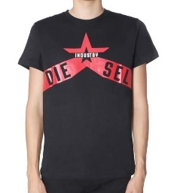 | 00SW9T0CATM900 | T-DIEGO-A7 MAGLIETTA - BLACK |  | 30 | 39 | 35 | 21 | 4 |  | 129 | € 20.00 | € 50.00
 | 00SXE60091A100 | T-DIEGO-B6 MAGLIETTA - BRIGHT WHITE |  | 0 | 8 | 10 | 8 | 0 |  | 26 | € 20.00 | € 50.00
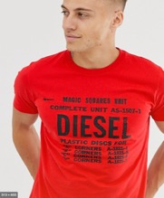 | 00SXE60091A44I | T-DIEGO-B6 MAGLIETTA - ROSSO |  | 8 | 18 | 18 | 7 | 0 |  | 51 | € 20.00 | € 50.00
 | 00SXE60091A8AT | T-DIEGO-B6 MAGLIETTA - PEACOAT |  | 2 | 12 | 14 | 1 | 0 |  | 29 | € 20.00 | € 50.00
 | 00SXE60091A900 | T-DIEGO-B6 MAGLIETTA - BLACK |  | 0 | 6 | 5 | 0 | 0 |  | 11 | € 20.00 | € 50.00
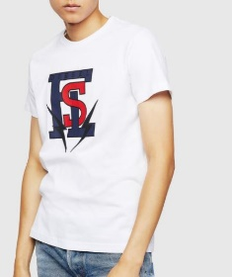 | 00SXMI0091A100 | T-DIEGO-B3 MAGLIETTA - BRIGHT WHITE |  | 24 | 41 | 43 | 30 | 11 |  | 149 | € 20.00 | € 50.00
 | 00SXMI0091A8AT | T-DIEGO-B3 MAGLIETTA - PEACOAT |  | 24 | 41 | 43 | 30 | 11 |  | 149 | € 20.00 | € 50.00
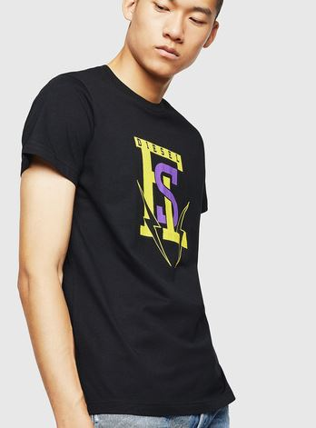 | 00SXMI0091A900 | T-DIEGO-B3 MAGLIETTA - BLACK |  | 24 | 41 | 42 | 30 | 12 |  | 149 | € 20.00 | € 50.00
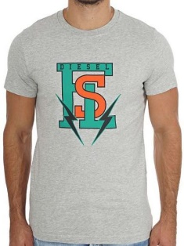 | 00SXMI0091A912 | T-DIEGO-B3 MAGLIETTA - LIGHT GREY MELANGE |  | 24 | 40 | 45 | 29 | 11 |  | 149 | € 20.00 | € 50.00
 | 00SYVT0091A100 | T-SILY-ZF MAGLIETTA - BRIGHT WHITE | 22 | 16 | 12 |  |  |  |  | 50 | € 20.00 | € 50.00
 | 00SYVT0091A900 | T-SILY-ZF MAGLIETTA - BLACK | 18 | 15 | 9 |  |  |  |  | 42 | € 20.00 | € 50.00
 |  | Totale T-SHIRT | 293 | 946 | 1408 | 2213 | 747 | 191 | 61 | 5859

